NL DPD-TF
NL-DPD Classic & Home Delivery
国家/重量/价格 (EUR) |  | DPD Classic |  | DPD Home |  | 返回目录
 |  | KP (≤3KG) | NP (≤31.5KG) | KP (≤3KG) | NP (≤31.5KG)
比利时 |  | 6.17 | 6.17 | 6.17 | 6.17
荷兰 |  | 5.60 | 5.60 | 5.60 | 5.60
卢森堡 |  | 6.34 | 6.34 | 6.34 | 6.34
德国 |  | 5.92 | 5.92 | 5.92 | 5.92
法国 |  | 9.91 | 9.91 | 9.91 | 9.91
奥地利 |  | 8.09 | 8.09 | 8.09 | 8.09
保加利亚 |  | 43.97 | 43.97 | 43.97 | 43.97
捷克共和国 |  | 32.39 | 32.39 | 32.39 | 32.39
丹麦 |  | 6.38 | 6.38 | 6.38 | 6.38
爱沙尼亚 |  | 9.70 | 9.70 | 9.70 | 9.70
西班牙 |  | 12.85 | 12.85 | 12.85 | 12.85
芬兰 |  | 18.25 | 18.25 | 18.25 | 18.25
希腊 |  | 55.19 | 55.19 | 55.19 | 55.19
克罗地亚 |  | 43.97 | 43.97 | 43.97 | 43.97
匈牙利 |  | 43.97 | 43.97 | 43.97 | 43.97
爱尔兰 |  | 30.09 | 30.09 | 30.09 | 30.09
意大利 |  | 12.27 | 12.27 | 12.27 | 12.27
立陶宛 |  | 43.97 | 43.97 | 43.97 | 43.97
拉脱维亚 |  | 43.97 | 43.97 | 43.97 | 43.97
波兰 |  | 10.65 | 10.65 | 10.65 | 10.65
葡萄牙 |  | 13.74 | 13.74 | 13.74 | 13.74
罗马尼亚 |  | 14.05 | 14.05 | 14.05 | 14.05
瑞典 |  | 13.58 | 13.58 | 13.58 | 13.58
斯洛文尼亚 |  | 43.97 | 43.97 | 43.97 | 43.97
斯洛伐克 |  | 8.87 | 8.87 | 8.87 | 8.87
附加费用
费用类型 | 收费项目 | 费用详情 |  | 收费标准
必收项 | 燃油费 Energy surcharge | 具体资费详情详情可参考官网：https://www.dpd.com/nl/en/fuel-surcharge/ |  | January 2025 - 12.5%
 | 公路费 Toll surcharge | DPD将收取两种高速公路附加费：比利时（途经和目的地）和德国（途经和目的地）。这些费用将按每个包裹收取，右图是收取高速公路费用的国家概况。 |  | 3.8% / Parcel, to Belgium 1.9% / Parcel, through Belgium 4.4% / Parcel, to Germany 2.95% / Parcel, through Germany
 |  |  |  | 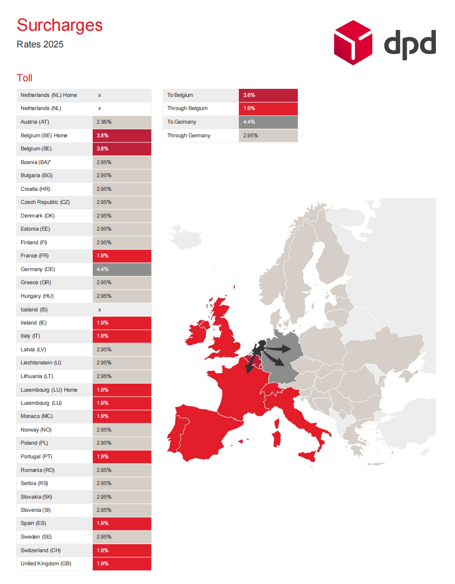
包裹超限 | 非标准包裹NSP Non Standard Parcel | 如果包裹符合以下任一标准，则被视为非标准包裹： ①长度或对角线长度≥130CM； ②重量≥20KG； ③包裹形状不稳定、不规则（球体、圆柱体、卷状）； ④包裹未按包装指南（详见 dpd.com/nl/en/support/packing/）进行包装或包装不当； ⑤包裹上的标签丢失或难以辨认； ⑥包裹由于任何原因需要额外的人工处理或分拣。 |  | 该项附加费价格分档次，取决于非标准包裹（NPS）数量与总包裹数量的比例： Category A: The % NSP parcels is < 10% of the total. € 1.89 / Parcel Category B: The % NSP parcels is 10% to 15% of the total. € 2.89 / Parcel Category C: The % NSP parcels is 15% or more of the total. € 4.89 / Parcel Category D: The % NSP parcels is 50% or more of the total € 6.89 / Parcel
 | 超尺寸/超重附加费 Oversize/Overweight(NP) | 普通包裹Normal Parcel超过以下标准时收取 ①包裹重量：31.5KG ②包裹长度或对角线长度：175CM ③包裹周长 (2*H+2*W+L)：300CM 收取此项附加费，将不再重复收取NSP附加费 |  | € 46.50 / Parcel
 | 超尺寸/超重附加费 Oversize/Overweight(KP) | 小包裹超过以下标准时收取 ①包裹重量：3KG ②包裹长度或对角线长度：50CM ③包裹周长 (2*H+2*W+L)：111CM 收取此项附加费，将不再重复收取NSP附加费 |  | € 7.50 / Parcel
派送异常 | 无法派送/拒收包裹 Return non-deliverable or rejected parcels | 未能成功送达、被收件人拒收或在取件点未在存储时间（7天）内领取的包裹，将被退回给发件人。被收件人拒收的包裹将立即退回。对于退回这些包裹，将收取附加费。 |  | DPD CLASSIC 正派费 + € 2.75 / Parcel
 | 重新贴标费 Relabelling | 实际需要重新贴上DPD包裹标签时收取。 |  | € 0.69 / Parcel
 | 标签不当 Labels without DPD software | 未使用DPD标准标签，则会收取附加费。 |  | € 1.09 / Parcel
特殊地址 | 偏远地区及岛屿派送 Remote surcharge | 详见右图。 |  | 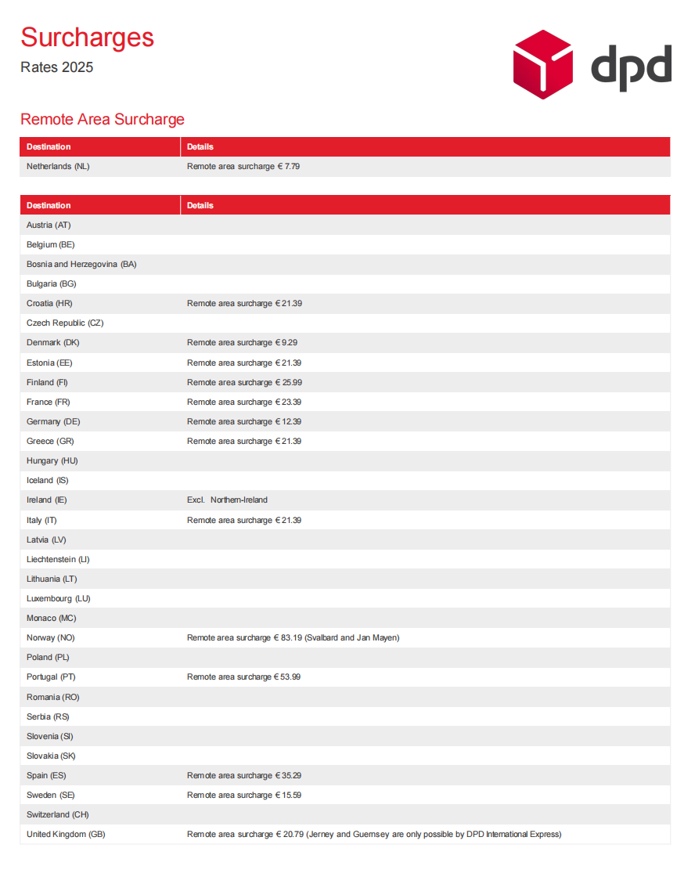
其他服务 | 电子发票 Digital invoice | DPD支持免费以 .pdf 和 .csv 数字文件的形式提供发票。 |  | Free
 | 人工处理订单 Interventions that cannot be performed using software | 对于无法使用标准DPD软件执行的修改，需要由DPD工作人员进行手动处理的附加费适用。 |  | € 2.69 / Request
 | POD请求 >12-month Proof of Delivery | 可以向DPD客服请求12个月以内包裹的交付证明（POD）。这个期限从包裹交付或应该交付的日期开始计算。超过12个月提交的POD请求将收取附加费。24个月后将不再发放POD。 |  | € 2.69 / POD
 | 年龄检查 Age check | 在荷兰递送酒精和烟草时，需要确认收件人是否年满18岁的附加费。 |  | € 1.79 / Parcel
 | 空提费 Inability to completecollection requests | DPD上门取件失败，将收取附加费。 |  | € 2.75 / Parcel
 | 轮胎附加费 Tyre surcharge | 未使用纸箱包装的运往芬兰、挪威和丹麦的轮胎，由DPD提供正确的包装，并收取额外费用。 |  | € 3.25 / Tyre
 | 旺季轮胎附加费 Peak surcharge tyres | 对于轮胎运输，高峰附加费适用于3月1日至5月31日和9月24日至12月24日（含） |  | € 1.65 / Tyre
*国外报价更新延迟，如有其它不在此报价单里的额外费用/上述费用发生变化，以DPD账单为准实报实收

表格中未提到的费用，实际发货将会按照实报实销方式收费
If the service fee which not mentioned in the table, the actual charges will be accordingly at cost.

DE GLS-TJ
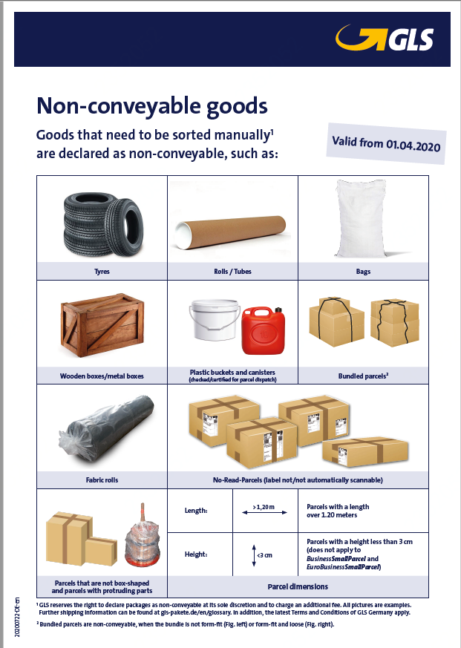
德国海外配送产品价格 DE Courier Products Price--- GLS DE Local BusinessParcel |  |  |  |  |  |  |  |  |  |  |  | 返回目录
Basic price*基础运费*
重量/KG | 3.00 KG | 5.00 KG | 8.00 KG | 10.00 KG | 15.00 KG | 20.00 KG | 25.00 KG | 31.50 KG | 40 KG
基础运费/EUR | 3.82 € | 4.46 € | 4.46 € | 4.80 € | 5.60 € | 6.23 € | 7.20 € | 10.85 € | 21.61 €

Basic price*基础运费*(新增价卡，只能发普货，无法发带电产品) |  |  |  |  |  |  |  |  |  |  | 表格中未提到的费用，实际发货将会按照实报实销方式收费 If the service fee which not mentioned in the table, the actual charges will be accordingly at cost.
重量/KG | 2,00KG | 3.00 KG | 5.00 KG | 8.00 KG | 10.00 KG | 15.00 KG | 20.00 KG | 25.00 KG | 31.50 KG | 40,00KG | 有适用此区域价卡的客户，请商服联系德国运配经理进行后台系统配置 If there are customers who are eligible for this regional price card, please contact the German shipping and distribution manager to configure the backend system.
基础运费/EUR | 3.12 € | 3.23 € | 3.95 € | 4.29 € | 4.52 € | 5.65 € | 6.21 € | 6.77 € | 9.37 € | 19.77 €
1) Charges are calculated per parcel and are based on dimensional weight (length x width x height in cm/6000), provided that dimensional weight exceeds real weight. 2) Regular Size Limitation： Length ＜120cm, Width＜80cm，Height＜60 and Girth （L+2W+2H)＜300cm 3) The maximum length : 200 cm, and Girth （L+2W+2H)＜300cm 5) Wight Limitation： Less than 40KGs 6) Return of undeliverable parcels According to original transport rate. Price per parcel. 1) 费用按包裹计算，并根据体积重量（长x宽x高cm/6000）计算，前提是体积重量超过实际重量。 2) 常规尺寸限制：长＜120cm，宽＜80cm，高＜60，周长（L+2W+2H)＜300cm 3) 最大长度：200 cm，周长（L+2W+2H)＜300cm 5) 重量限制： 小于40KGs 6) 无法送达的包裹按原运输费率退回。 价格按照单个包裹进行计算； 7）如果包裹超过了第（3）点的尺寸限制而产生的附加费，将实报实销； |  |  |  |  |  |  |  |  |  |  | 计费示例：Billing example 使用德国西区的新价卡从德国发往德国私人地址，包裹实重23kg，包裹尺寸65*65*30，体积重21,2kg，基础收费为：7,05€，高速费为：0,36€，超规附加收费4,59€，宅配附加费 0,12€，配送收费为：（7,05+4,59）*（1+燃油费率+环保附加费+旺季附加费）+0,36+0,12 Use the new price card in the western region of Germany to send from Germany to a private address in Germany. The real weight of the package is 23kg, the package size is 65*65*30, the volume weight is 21.2kg, the basic charge is: 7,05€, and toll is: 0,36 €, the NC surcharge is 4,59€, the 2C Address surcharge is 0,12€, the delivery charge is: (7,05+4,59)*(1+fuel rate+ClimateProtect surcharge+peak season surcharge)+0 ,36+0,12
Additional information * The Basic price includes the transport and delivery of B2B parcels. Any surcharges and cross-product price information can be found on the sheet “Additional price components“. 附加信息 * 基本价格包括 B2B 包裹的运输和交付。 任何附加费和跨产品价格信息均可在“附加价格组成部分”表中找到。
•Transit time – the standard GLS delivery time of under 24 hours applies across the whole of Germany •Digital consignee signature can be retrieved online •Second delivery attempt included, for private consignees at a GLS ParcelShop •Liability up to a goods value of max. 750 € per parcel •运输时间 – 24 小时内的标准 GLS 交货时间适用于整个德国 •可在线检索收货人数字签名 •包括针对 GLS ParcelShop 的私人收货人的第二次投递尝试 • 每个包裹最高赔付 750 欧元
Additional price components 附加费具体以实际发生为准，以上表格中未包含的附加费实报实销
Parcel handling |  |  | Additional information |  |  |  |  | Surcharge per parcel |  |  | 中文释义
Fuel surcharge 燃油附加费 |  |  |  |  |  |  |  | 12.00% |  |  | GLS Germany charges a variable fuel. This will be published on the GLS-Website： https://gls-group.eu/DE/en/diesel-surcharge.
Toll 高速费 |  |  |  |  |  |  |  | 0.36 €
ClimateProtect 环保附加费 |  |  |  |  |  |  |  | 3.42%
Seasonal surcharge 旺季附加费： |  |  |  |  |  |  |  | （Baserate + Non-conveyable goods+Overlength+Voluminous parcel )*3% |  |  | 旺季收费时间2024.10.1-2024.12.31
Address 宅配附加费 |  |  |  |  |  |  |  | 0.12 €
Non-conveyable goods 超尺超规附加费 |  |  | If the parcel is exact 120 cm long or all above, it is will be applied NC-fee. Goods that need to be sorted manually are declared as non-conveyable. |  |  |  |  | 4.59 € |  |  | 如果包裹长度恰好为 120 厘米或以上，则将收取 NC 费。需要人工分拣的货物被定义为超规包裹。
Overlength 超长超规附加费 |  |  | Overlength is charged from a parcel length of 1.50 m. Beyond that, a length of 2.00 m (longest side) must not be exceeded. |  |  |  |  | 4.59 € |  |  | 包裹长度超过 1.50 m 时按超长收费。 除此之外，长度不得超过 2.00 m（最长边）。
Voluminous parcel 大件附加费 |  |  | Parcel volume > threshold Applies to a package that has a volume of over 150 liters |  |  |  |  | 4.59 € |  |  | 包裹体积不得超过150L，超过将收取搭建附加费用
Address clarification 地址修正费 |  |  | Investigation / feedback of correct consignee address |  |  |  |  | 5.89 € |  |  | 调查/反馈正确的收货人地址
Storage (per day) 暂存费 |  |  | Storage of parcels – surcharge applies after the 6th day |  |  |  |  | 3.53 € |  |  | 包裹储存 – 第 6 天后收取附加费
Manual registration of consignee data 二次贴标附加费 |  |  | Usage of manual parcel labels |  |  |  |  | 5.30 € |  |  | 人工进行二次贴标
Cancellation Pick&Return-/ Pick&Ship order 取消取货费 |  |  | Parcel not ready for pickup / cancelled order |  |  |  |  | 6.48 € |  |  | 包裹尚未准备好取件/订单已取消
Island delivery Germany 岛屿附加费 |  |  | Consignee address on German island |  |  |  |  | 20.00 € |  |  | 德国岛屿上的收货人地址
Return of undeliverable parcels 未投递包裹退回费用 |  |  | According to original transport rate |  |  |  |  | Price per parcel |  |  | 按原运输费率
HazardousGoodsService 危险品服务 |  |  | Shipping of dangerous goods (according to ADR), only for dangerous goods classes.Approved according to the General Terms and Conditions |  |  |  |  | 3.45 € |  |  | 危险品运输（根据 ADR），仅适用于危险品类别。
Service flat-rate national 德国境内账单服务费 |  |  | General services |  |  |  |  | 5.89 € |  |  | 生成账单产生的服务费用，每笔账单收取
Pick&ReturnService 取货以及退运费用 |  |  | Order for collection at any address and return to the own address |  |  |  |  | 5.30 € |  |  | 任意地址下单取件并返回至自己地址
WEIGHT SERVICE fee |  |  |  |  |  |  |  | 0.50 |  |  | 如果下单时没有通过API 传输正确的重量给GLS，则收取额外附加费
Oversized package surcharge |  |  |  |  |  |  |  | 60.00 € |  |  | 重量>40KG；或（L+2W+2H)>300cm；或长>200cm；或宽>80cm；或高>60cm则收取额外附加费
表格中未提到的费用，实际发货将会按照实报实销方式收费 If the service fee which not mentioned in the table, the actual charges will be accordingly at cost.

1) Details available at www.gls-pakete.de/en/glossary 2) Consignee address for residential purposes, including living space used commercially
Island delivery Germany Zipcode: 8565 (Hiddensee) 25849 (Pellworm) 25859 (Hooge) 25863 (Langeneß), 25869 (Gröde), 25938 (Föhr), 25946 (Amrum), 25980, 25992, 25996, 25997, 25999 (Sylt) 26465 (Langeoog), 26474 (Spiekeroog), 26486 (Wangerooge), 26548 (Norderney), 26571 (Juist), 26579 (Baltrum), 26757 (Borkum), 27498 (Helgoland)
 | 表格中未提到的费用，实际发货将会按照实报实销方式收费
 | If the service fee which not mentioned in the table, the actual charges will be accordingly at cost.

